PERFORMA (2)
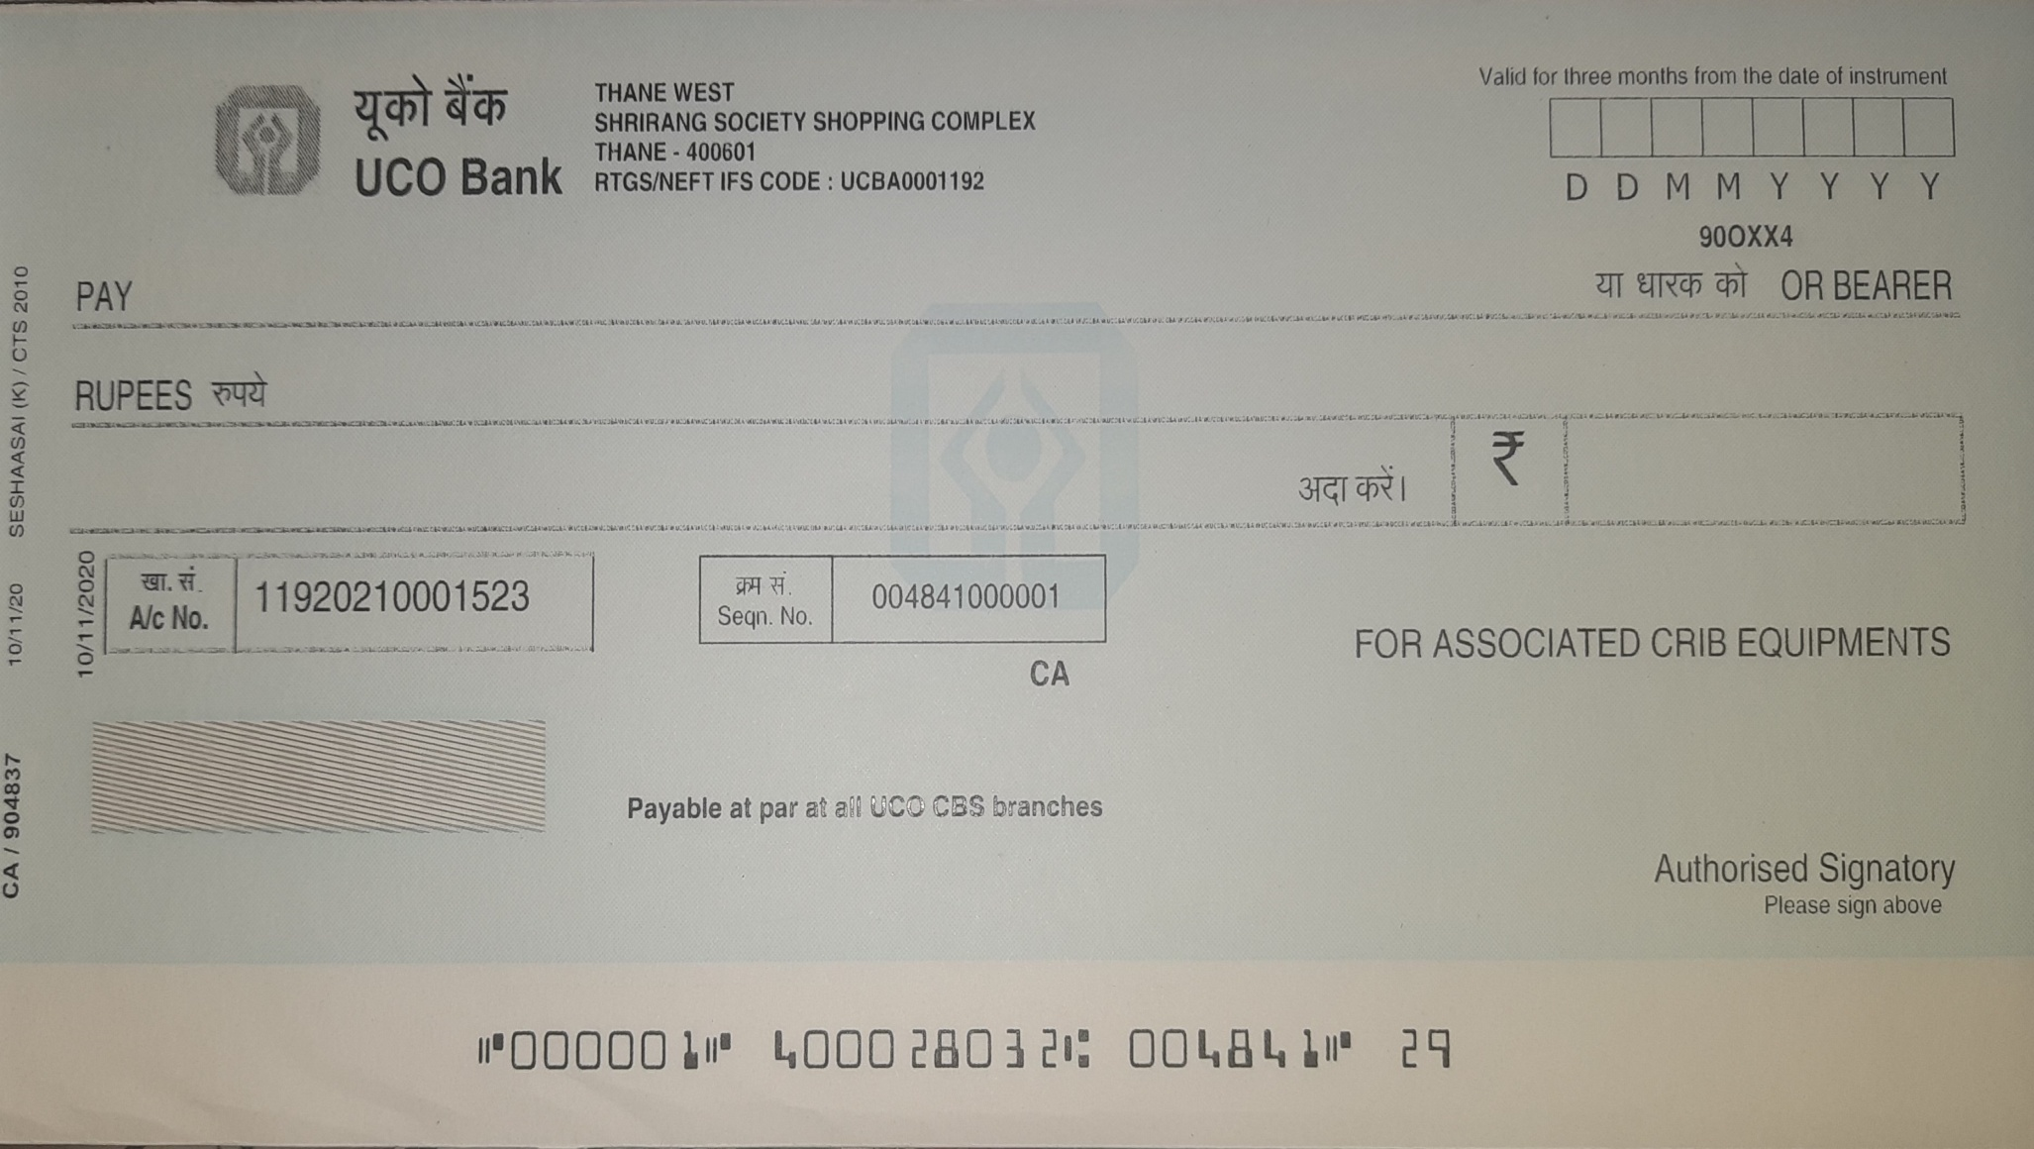
 |  |  |  |  |  | ASSOCIATED CRIB EQUIPMENTS |  |  |  |  |  | PERFORMA INVOICE No |  | 21~22/030
 | ASSOCIATED CRIB EQUIPMENTS |  |  |  |  | 3 / 301 SWASTIK REGALIA, WAGHBIL POST - KASAR WADAVLI, THANE 400 615 |  |  |  |  |  | PERFORMA INVOICE DATE |  | 12-Jun-2021 |  | :
 | AN ISO 9001:2015 ORGANISATIONS |  |  |  |  | EMAIL:- ceo@aceequipments.in Web:- www.aceequipments.in |  |  |  |  |  | GSTIN | 27AAUPM3962B1ZG
 |  |  |  |  |  | Cell :- 9820895089, 9820595089
 |  |  |  |  |  |  |  |  |  | PO No |  |  |  | DATE
PERFORMA INVOICE

 | BILLING ADDRESS |  |  |  |  |  |  | SHIPPING ADDRESS
 | SHREE ARYA ENTERPRISES |  |  |  |  | STATE |  | SHREE ARYA ENTERPRISES |  |  |  |  |  | STATE
 | PLOT NO 78, 7th CROSS |  |  |  |  | KARNATAKA |  | PLOT NO 78, 7th CROSS |  |  |  |  |  | KARNATAKA
 | SADASHIV NAGAR |  |  |  |  | STATE CODE |  | SADASHIV NAGAR |  |  |  |  |  | STATE CODE
 | BELGAUM 590001 |  |  |  |  | 29 |  | BELGAUM 590001 |  |  |  |  |  | 29
 | GSTIN | 29AEYPA6534M1ZR |  |  |  |  |  | GSTIN | 29AEYPA6534M1ZR
SN | DESCRIPTION OF GOODS |  | HSN CODE | QTY | UNIT | RATE | DISCOUNT IN % | TAXABLE VALUE |  | CGST |  | SGST |  | IGST
 |  |  |  |  |  |  |  |  |  | RATE | AMT | RATE | AMT | RATE | AMT
1 | TOOL CART 7 DRAWER |  | 9403 | 1 | Nos | 20930.00 | 25 | 15697.50 |  | 0 | 0 | 0 | 0 | 18 | 2825.55

DECLARATION |  |  |  |  | PACKING & FORWARDING
Certified that the Particulars given above are true and correct and the amount indicated |  |  |  |  | INSURANCE
 |  |  |  |  | FREIGHT
a) represent the price actually charged and that there is no flow additional consideration directly or indirectly from the buyer or |  |  |  |  | SUB TOTAL (IN FIGURE) |  |  | 15697.50 |  | 0 |  | 0 |  | 2825.55
 |  |  |  |  | TOTAL INVOICE VALUE (IN FIGURE) |  |  | 18523
b) is not provisional as additional consideration will be received from the buyer on any account. |  |  |  |  | TOTAL INVOICE VALUE (IN WORD) |  |  | EIGHTEEN THOUSAND FIVE HUNDRED AND TWENTY THREE ONLY

PAYMENT SCHEDULE: |  |  |  |  |  | BANK DETAILS |  |  |  |  |  | For ASSOCIATED CRIB EQUIPMENTS
50% AGAINST PERFORMA INVOICE |  |  |  |  |  | BANK NAME | UCO BANK
50% AT THE TIME OF DELIVERY |  |  |  |  |  | BRANCH | SHRIRANG SOCIETY, THANE
 |  |  |  |  |  | IFSC CODE | UCBA0001192
 |  |  |  |  |  | A/c No | 11920210001523 |  |  |  |  | AUTHORISED SIGNATORY

